Cover
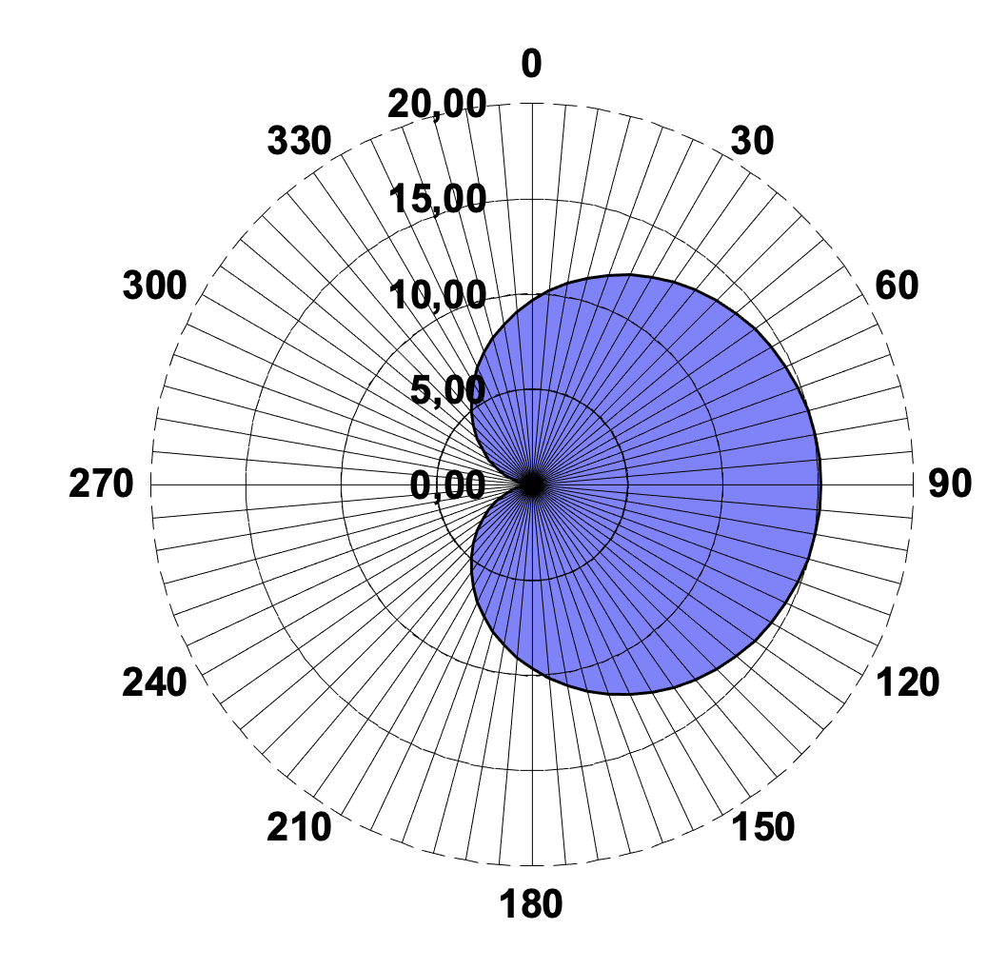

Cool experiments and tools for hobbyists and
future professionals


more on YouTube

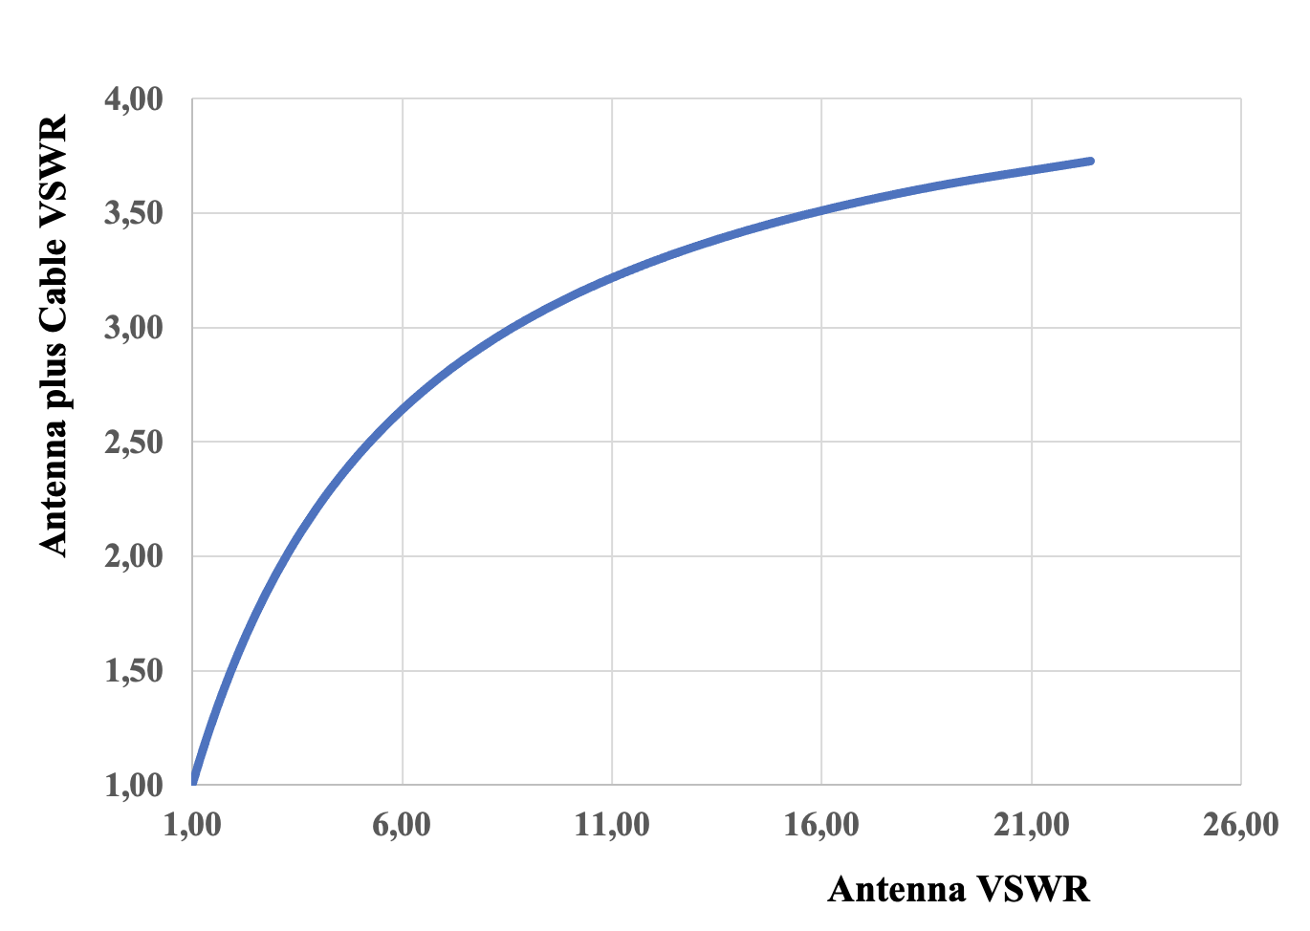

Tutorial on YouTube!

Cool Tool: | Antenna Calculations
 |  | Beamwidth & Gain
 |  | Near & Farfield
 |  | VSWR & Return Loss
 |  | Radiation Pattern Generator
 |  | Downtilts

Version 20.09.2022 |  | added VSWR including Cable Loss

Further distribution without changes is permitted

Beamwidth & Gain

 |  | Tutorial on YouTube!

Beamwidth & Gain

 | Input | Vertical Beamwidth | 70.00 | °
 |  | Horizontal Beamwidth | 54.00 | °
 |  | Antenna Efficiency | 0.92

 | Output | Directivity related to isotropic Antenna | 10.38 | dBi
 |  | Directivity related to Dipole | 8.23 | dBd

 |  | Gain related to isotropic Antenna | 10.02 | dBi
 |  | Gain related to Dipole | 7.87 | dBd

 |  | Directivity factor related to isotropic Antenna | 10.91
 |  | Directivity factor related to Dipole | 6.65

 |  | Gain factor related to isotropic Antenna | 10.04
 |  | Gain factorrelated to Dipole | 6.12

 |  | Approximation works well for almost all antenna cases
 |  | Example:
 |  | Halfwave Dipole 70° / 360° / 2,15 dB
 |  | Hertzian Dipole 76° / 360° / 1,78 dB

VSWR & Return Loss
 |  | Useful for antennas and other RF devices. |  |  |  |  | Tutorial on YouTube!

 | VSWR, Reflection and Return Loss

 | Input | Antenna VSWR | 1.400 |  |  | Input | Antenna Return Loss | 10.000 | dB | Input | Cable Loss / dB: | 6.000
 |  | Antenna Cable Loss | 4.800 | dB |  |  | Antenna Cable Loss | 3.000 | dB |  | Cable Loss Factor: | 0.501

Antenna VSWR
Antenna |  |  |  |  | Antenna

 | Output | Reflection Factor | 0.167 |  |  | Output | Reflection Factor | 0.316 |  | Antenna VSWR | Reflection Factor | Transceiver VSWR
 |  | Transition Factor | 0.986 |  |  |  | Transition Factor | 0.949 |  | 1.010 | 0.001 | 1.003
 |  | Return Loss | 15.563 | dB |  |  | VSWR | 1.925 |  | 1.212 | 0.024 | 1.049
 |  | Transition Loss | 0.122 | dB |  |  | Transition Loss | 0.458 | dB | 1.454 | 0.047 | 1.098
 |  | Reflected Power | 2.778 | % |  |  | Reflected Power | 10.000 | % | 1.745 | 0.068 | 1.146
 |  | Transmitted Power | 97.222 | % |  |  | Transmitted Power | 90.000 | % | 2.094 | 0.089 | 1.195
 |  |  |  |  |  |  |  |  |  | 2.513 | 0.108 | 1.243
 |  |  |  |  |  |  |  |  |  | 3.016 | 0.126 | 1.289
Antenna plus Cable |  |  |  |  | Antenna plus Cable |  |  |  |  | 3.619 | 0.142 | 1.332
 |  |  |  |  |  |  |  |  |  | 4.343 | 0.157 | 1.373
 | Output | Ant Cable Loss Factor | 0.575 |  |  | Output | Ant Cable Loss Factor | 0.708 |  | 5.211 | 0.170 | 1.411
 |  | Transceiver VSWR | 1.117 |  |  |  | Transceiver VSWR | 1.377 |  | 6.254 | 0.182 | 1.445
 |  | Reflection Factor | 0.055 |  |  |  | Reflection Factor | 0.158 |  | 7.504 | 0.192 | 1.476
 |  | Transition Factor | 0.567 |  |  |  | Transition Factor | 0.672 |  | 9.005 | 0.201 | 1.503
 |  | Return Loss | 25.163 | dB |  |  | Return Loss | 16.000 | dB | 10.806 | 0.209 | 1.527
 |  | Transition Loss | 4.922 | dB |  |  | Transition Loss | 3.458 | dB | 12.968 | 0.215 | 1.548
 |  | Reflected Power | 0.305 | % |  |  | Reflected Power | 2.512 | % | 15.561 | 0.221 | 1.567
 |  | Transmitted Power | 32.193 | % |  |  | Transmitted Power | 45.107 | % | 18.673 | 0.226 | 1.583
 |  |  |  |  |  |  |  |  |  | 22.408 | 0.230 | 1.596

Radiation Pattern Generator
 | Arbitrary antenna diagrams can be created.
 | The side lobes are considered as maximum for planning purpose.
 | Data export copy & paste (values only).

Radiation Patterns Generator

Input | Vertical Beamwidth | 17.00 | ° | Input | Horizontal Beamwidth | 160.00 | ° | Output | Directivity | 11.81 | dB |  | 171.5 | 125.92 |  | 100 | 1.30
 | Orientation | 180.00 | ° |  | Orientation | 90.00 | ° |  | Directivity Factor | 15.17 |  |  | 0.00 |  |  | -90.00
 | Side Lobes | -12.00 | dB |  | Side Lobes | -12.00 | dB |  | Front-Back Ratio | 23.81 | dB |  | 0.063095734448 |  |  | 0.063095734448

Output Linear Vertical Pattern |  |  |  | Output Linear Horizontal Pattern |  |  |  |  | Tutorial on YouTube! |  |  |  | For Grafics

Output Logarithmic Vertical Pattern |  |  |  | Output Logarithmic Horizontal Pattern |  |  |  |  |  |  |  |  | For Grafics

Output for Data Export |  |  |  | Output for Data Export |  |  |  |  |  |  |  |  | For Grafics

 |  |  |  |  |  |  |  |  |  |  |  |  | Vertical Pattern |  |  | Horizontal Pattern
Vertical |  |  |  | Horizontal
Theta | C(Theta) | c(Theta) |  | Phi | C(Phi) | c(Phi)
0 | 0.06 | -12.00 |  | 0 | 9.66 | 9.85 |  |  |  |  |  | 0 | 0.06 | 0.00 | 0 | 9.66 | 90.00
5 | 0.06 | -12.00 |  | 5 | 10.20 | 10.09 |  |  |  |  |  |  | 0.06 | 5.00 |  | 10.20 | 95.00
10 | 0.06 | -12.00 |  | 10 | 10.72 | 10.30 |  |  |  |  |  |  | 0.06 | 10.00 |  | 10.72 | 100.00
15 | 0.06 | -12.00 |  | 15 | 11.22 | 10.50 |  |  |  |  |  |  | 0.06 | 15.00 |  | 11.22 | 105.00
20 | 0.06 | -12.00 |  | 20 | 11.70 | 10.68 |  |  |  |  |  |  | 0.06 | 20.00 |  | 11.70 | 110.00
25 | 0.06 | -12.00 |  | 25 | 12.15 | 10.85 |  |  |  |  |  |  | 0.06 | 25.00 |  | 12.15 | 115.00
30 | 0.06 | -12.00 |  | 30 | 12.58 | 11.00 |  |  |  |  |  | 30 | 0.06 | 30.00 | 30 | 12.58 | 120.00
35 | 0.06 | -12.00 |  | 35 | 12.98 | 11.13 |  |  |  |  |  |  | 0.06 | 35.00 |  | 12.98 | 125.00
40 | 0.06 | -12.00 |  | 40 | 13.35 | 11.25 |  |  |  |  |  |  | 0.06 | 40.00 |  | 13.35 | 130.00
45 | 0.06 | -12.00 |  | 45 | 13.68 | 11.36 |  |  |  |  |  |  | 0.06 | 45.00 |  | 13.68 | 135.00
50 | 0.06 | -12.00 |  | 50 | 13.99 | 11.46 |  |  |  |  |  |  | 0.06 | 50.00 |  | 13.99 | 140.00
55 | 0.06 | -12.00 |  | 55 | 14.26 | 11.54 |  |  |  |  |  |  | 0.06 | 55.00 |  | 14.26 | 145.00
60 | 0.06 | -12.00 |  | 60 | 14.50 | 11.61 |  |  |  |  |  | 60 | 0.06 | 60.00 | 60 | 14.50 | 150.00
65 | 0.06 | -12.00 |  | 65 | 14.70 | 11.67 |  |  |  |  |  |  | 0.06 | 65.00 |  | 14.70 | 155.00
70 | 0.06 | -12.00 |  | 70 | 14.87 | 11.72 |  |  |  |  |  |  | 0.06 | 70.00 |  | 14.87 | 160.00
75 | 0.06 | -12.00 |  | 75 | 15.00 | 11.76 |  |  |  |  |  |  | 0.06 | 75.00 |  | 15.00 | 165.00
80 | 0.06 | -12.00 |  | 80 | 15.09 | 11.79 |  |  |  |  |  |  | 0.06 | 80.00 |  | 15.09 | 170.00
85 | 0.06 | -12.00 |  | 85 | 15.15 | 11.80 |  |  |  |  |  |  | 0.06 | 85.00 |  | 15.15 | 175.00
90 | 0.06 | -12.00 |  | 90 | 15.17 | 11.81 |  |  |  |  |  | 90 | 0.06 | 90.00 | 90 | 15.17 | 180.00
95 | 0.06 | -12.00 |  | 95 | 15.15 | 11.80 |  |  |  |  |  |  | 0.06 | 95.00 |  | 15.15 | 185.00
100 | 0.06 | -12.00 |  | 100 | 15.09 | 11.79 |  |  |  |  |  |  | 0.06 | 100.00 |  | 15.09 | 190.00
105 | 0.06 | -12.00 |  | 105 | 15.00 | 11.76 |  |  |  |  |  |  | 0.06 | 105.00 |  | 15.00 | 195.00
110 | 0.06 | -12.00 |  | 110 | 14.87 | 11.72 |  |  |  |  |  |  | 0.06 | 110.00 |  | 14.87 | 200.00
115 | 0.06 | -12.00 |  | 115 | 14.70 | 11.67 |  |  |  |  |  |  | 0.06 | 115.00 |  | 14.70 | 205.00
120 | 0.06 | -12.00 |  | 120 | 14.50 | 11.61 |  |  |  |  |  | 120 | 0.06 | 120.00 | 120 | 14.50 | 210.00
125 | 0.06 | -12.00 |  | 125 | 14.26 | 11.54 |  |  |  |  |  |  | 0.06 | 125.00 |  | 14.26 | 215.00
130 | 0.06 | -12.00 |  | 130 | 13.99 | 11.46 |  |  |  |  |  |  | 0.06 | 130.00 |  | 13.99 | 220.00
135 | 0.06 | -12.00 |  | 135 | 13.68 | 11.36 |  |  |  |  |  |  | 0.06 | 135.00 |  | 13.68 | 225.00
140 | 0.06 | -12.00 |  | 140 | 13.34 | 11.25 |  |  |  |  |  |  | 0.06 | 140.00 |  | 13.34 | 230.00
145 | 0.06 | -12.00 |  | 145 | 12.98 | 11.13 |  |  |  |  |  |  | 0.06 | 145.00 |  | 12.98 | 235.00
150 | 0.19 | -7.13 |  | 150 | 12.58 | 11.00 |  |  |  |  |  | 150 | 0.19 | 150.00 | 150 | 12.58 | 240.00
155 | 0.74 | -1.30 |  | 155 | 12.15 | 10.85 |  |  |  |  |  |  | 0.74 | 155.00 |  | 12.15 | 245.00
160 | 2.21 | 3.45 |  | 160 | 11.70 | 10.68 |  |  |  |  |  |  | 2.21 | 160.00 |  | 11.70 | 250.00
165 | 5.15 | 7.12 |  | 165 | 11.22 | 10.50 |  |  |  |  |  |  | 5.15 | 165.00 |  | 11.22 | 255.00
170 | 9.39 | 9.73 |  | 170 | 10.72 | 10.30 |  |  |  |  |  |  | 9.39 | 170.00 |  | 10.72 | 260.00
175 | 13.46 | 11.29 |  | 175 | 10.20 | 10.09 |  |  |  |  |  |  | 13.46 | 175.00 |  | 10.20 | 265.00
180 | 15.17 | 11.81 |  | 180 | 9.66 | 9.85 |  |  |  |  |  | 180 | 15.17 | 180.00 | 180 | 9.66 | 270.00
185 | 13.45 | 11.29 |  | 185 | 9.10 | 9.59 |  |  |  |  |  |  | 13.45 | 185.00 |  | 9.10 | 275.00
190 | 9.37 | 9.72 |  | 190 | 8.53 | 9.31 |  |  |  |  |  |  | 9.37 | 190.00 |  | 8.53 | 280.00
195 | 5.13 | 7.10 |  | 195 | 7.95 | 9.00 |  |  |  |  |  |  | 5.13 | 195.00 |  | 7.95 | 285.00
200 | 2.20 | 3.43 |  | 200 | 7.36 | 8.67 |  |  |  |  |  |  | 2.20 | 200.00 |  | 7.36 | 290.00
205 | 0.74 | -1.32 |  | 205 | 6.76 | 8.30 |  |  |  |  |  |  | 0.74 | 205.00 |  | 6.76 | 295.00
210 | 0.19 | -7.16 |  | 210 | 6.15 | 7.89 |  |  |  |  |  | 210 | 0.19 | 210.00 | 210 | 6.15 | 300.00
215 | 0.06 | -12.00 |  | 215 | 5.55 | 7.44 |  |  |  |  |  |  | 0.06 | 215.00 |  | 5.55 | 305.00
220 | 0.06 | -12.00 |  | 220 | 4.94 | 6.94 |  |  |  |  |  |  | 0.06 | 220.00 |  | 4.94 | 310.00
225 | 0.06 | -12.00 |  | 225 | 4.35 | 6.38 |  |  |  |  |  |  | 0.06 | 225.00 |  | 4.35 | 315.00
230 | 0.06 | -12.00 |  | 230 | 3.75 | 5.75 |  |  |  |  |  |  | 0.06 | 230.00 |  | 3.75 | 320.00
235 | 0.06 | -12.00 |  | 235 | 3.18 | 5.02 |  |  |  |  |  |  | 0.06 | 235.00 |  | 3.18 | 325.00
240 | 0.06 | -12.00 |  | 240 | 2.61 | 4.17 |  |  |  |  |  | 240 | 0.06 | 240.00 | 240 | 2.61 | 330.00
245 | 0.06 | -12.00 |  | 245 | 2.07 | 3.16 |  |  |  |  |  |  | 0.06 | 245.00 |  | 2.07 | 335.00
250 | 0.06 | -12.00 |  | 250 | 1.55 | 1.91 |  |  |  |  |  |  | 0.06 | 250.00 |  | 1.55 | 340.00
255 | 0.06 | -12.00 |  | 255 | 1.07 | 0.30 |  |  |  |  |  |  | 0.06 | 255.00 |  | 1.07 | 345.00
260 | 0.06 | -12.00 |  | 260 | 0.63 | -1.98 |  |  |  |  |  |  | 0.06 | 260.00 |  | 0.63 | 350.00
265 | 0.06 | -12.00 |  | 265 | 0.26 | -5.90 |  |  |  |  |  |  | 0.06 | 265.00 |  | 0.26 | 355.00
270 | 0.06 | -12.00 |  | 270 | 0.06 | -12.00 |  |  |  |  |  | 270 | 0.06 | 270.00 | 270 | 0.06 | 360.00
275 | 0.06 | -12.00 |  | 275 | 0.26 | -5.88 |  |  |  |  |  |  | 0.06 | 275.00 |  | 0.26 | 365.00
280 | 0.06 | -12.00 |  | 280 | 0.64 | -1.97 |  |  |  |  |  |  | 0.06 | 280.00 |  | 0.64 | 370.00
285 | 0.06 | -12.00 |  | 285 | 1.07 | 0.31 |  |  |  |  |  |  | 0.06 | 285.00 |  | 1.07 | 375.00
290 | 0.06 | -12.00 |  | 290 | 1.56 | 1.92 |  |  |  |  |  |  | 0.06 | 290.00 |  | 1.56 | 380.00
295 | 0.06 | -12.00 |  | 295 | 2.07 | 3.16 |  |  |  |  |  |  | 0.06 | 295.00 |  | 2.07 | 385.00
300 | 0.06 | -12.00 |  | 300 | 2.61 | 4.17 |  |  |  |  |  | 300 | 0.06 | 300.00 | 300 | 2.61 | 390.00
305 | 0.06 | -12.00 |  | 305 | 3.18 | 5.02 |  |  |  |  |  |  | 0.06 | 305.00 |  | 3.18 | 395.00
310 | 0.06 | -12.00 |  | 310 | 3.76 | 5.75 |  |  |  |  |  |  | 0.06 | 310.00 |  | 3.76 | 400.00
315 | 0.06 | -12.00 |  | 315 | 4.35 | 6.38 |  |  |  |  |  |  | 0.06 | 315.00 |  | 4.35 | 405.00
320 | 0.06 | -12.00 |  | 320 | 4.95 | 6.94 |  |  |  |  |  |  | 0.06 | 320.00 |  | 4.95 | 410.00
325 | 0.06 | -12.00 |  | 325 | 5.55 | 7.44 |  |  |  |  |  |  | 0.06 | 325.00 |  | 5.55 | 415.00
330 | 0.06 | -12.00 |  | 330 | 6.16 | 7.89 |  |  |  |  |  | 330 | 0.06 | 330.00 | 330 | 6.16 | 420.00
335 | 0.06 | -12.00 |  | 335 | 6.76 | 8.30 |  |  |  |  |  |  | 0.06 | 335.00 |  | 6.76 | 425.00
340 | 0.06 | -12.00 |  | 340 | 7.36 | 8.67 |  |  |  |  |  |  | 0.06 | 340.00 |  | 7.36 | 430.00
345 | 0.06 | -12.00 |  | 345 | 7.95 | 9.01 |  |  |  |  |  |  | 0.06 | 345.00 |  | 7.95 | 435.00
350 | 0.06 | -12.00 |  | 350 | 8.54 | 9.31 |  |  |  |  |  |  | 0.06 | 350.00 |  | 8.54 | 440.00
355 | 0.06 | -12.00 |  | 355 | 9.11 | 9.59 |  |  |  |  |  |  | 0.06 | 355.00 |  | 9.11 | 445.00

